19.3.2025
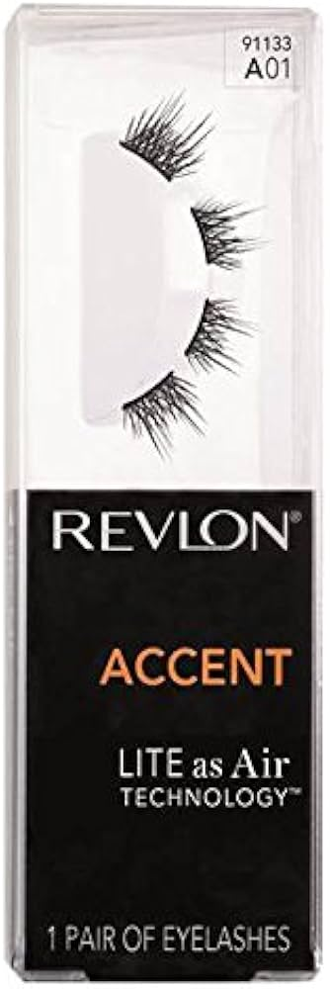
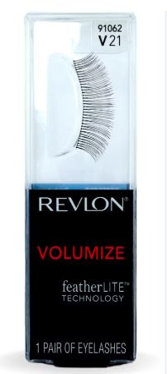
AVAILABLE | INNER CASE | OUTER CASE | OUTER PER PLT | DESCRIPTION | RSP | BARCODE | LANGUAGES | IMAGE
932 | 2 | 144 | 45 | REVLON LASHES ACCENT 91137 | £4.99 | 79181911375 | EN
1608 | 2 | 144 | 45 | REVLON LASHES ACCENT 91133 | £4.99 | 79181911337 | EN
721 | 2 | 144 | 45 | REVLON LASHES DEFINE 91093 | £4.99 | 79181910934 | EN
1385 | 2 | 144 | 45 | REVLON LASHES DEFINE 91112 | £4.99 | 79181911122 | EN
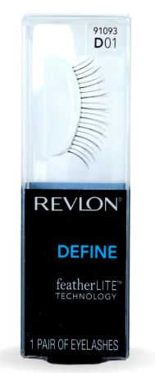
2530 | 2 | 144 | 45 | REVLON LASHES VOLUMIZE 91062 | £4.99 | 79181910620 | EN
7176

